Summary
Daily Report - Day 1 |  |  |  |  |  |  |  |  | Hướng dẫn:
Date | 16-Oct-23 |  |  |  |  |  |  |  | 1. Save file trên GDrive, share cho team và GV
Build | 0.9.8 |  |  |  |  |  |  |  | 2. Test Lead hoàn thành sheet Summary, các ô màu hồng
 |  |  |  |  |  |  |  |  | 3. Toàn team hoàn thành TCs và Bugs theo yêu cầu mỗi ngày.
Team 1 |  | Name |  |  |  |  |  |  | Cách sửa bài
 | - Test Lead | HaMai |  |  |  |  |  |  | 1. GV comment và tô màu vàng các ô cần sửa
 | - Tester 1 | Van Tam |  |  |  |  |  |  | 2. HV tự sửa bài theo comment của GV. Sau khi sửa xong thì tô màu xanh lên ô đó. Tất cả các ô màu vàng phải được sửa. Vào cuối ngày khi nộp bài không được để lại một ô màu vàng nào cả.
 | - Tester 2 | Hong tuoi |  |  |  |  |  |  | 3. GV sẽ kiểm tra lại ô màu xanh, nếu Ok, GV sẽ đổi thành màu trắng, còn nếu vẫn chưa được thì GV sẽ tiếp tục comment và tô màu vàng lại.
 | - Tester 3 | Ngoc Cam |  |  |  |  |  |  | * Không "Resolved" hay Delete comment của GV nhé !!!
 | - Tester 4 | Phuong Mai
 | - Tester 5
 | - Tester 6
 | - Tester 7

TC List |  | # | %
 | Passed | 10 | 91%
 | Failed | 1 | 9%
 | Total: | 11 | 100%

Bug Status |  | # | %
(Type in) | Open | 9 | 90%
 | Closed as Valid | 0 | 0%
 | Closed as Invalid | 1 | 10%
 | Total: | 10 | 100%

Daily Report - Day 2
Date | 18-Oct-23
Build | 0.9.9

Team 1 |  | Name
 | - Test Lead | Van Tam
 | - Tester 1 | HaMai
 | - Tester 2 | Hong tuoi
 | - Tester 3 | Ngoc Cam
 | - Tester 4 | Phuong Mai
 | - Tester 5
 | - Tester 6
 | - Tester 7

TC List |  | # | %
 | Passed | 16 | 94%
 | Failed | 1 | 6%
 | Total: | 17 | 100%

Bug Status |  | # | %
(Type in) | Open | 10 | 67%
 | Closed as Valid | 2 | 13%
 | Closed as Invalid | 3 | 20%
 | Total: | 15 | 100%

Build Progress

 |  | 0.9.8 | 0.9.9
 | # of TCs Created | 11 | 17
 | # of Passed TCs | 10 | 16
 | # of Failed TCs | 1 | 1

 |  | 0.9.8 | 0.9.9
 | # of Bugs found | 10 | 15
 | # of Open Bugs | 9 | 10
 | # of Closed Valid Bugs | 0 | 2
 | # of Closed Invalid Bugs | 1 | 3

Daily Report - Day 3
Date | 20-Oct-23
Build | 1.0.0

Team 1 |  | Name
 | - Test Lead | Ngoc Cam
 | - Tester 1 | Van Tam
 | - Tester 2 | HaMai
 | - Tester 3 | Hong tuoi
 | - Tester 4 | Phuong Mai
 | - Tester 5
 | - Tester 6
 | - Tester 7

TC List |  | # | %
 | Passed | 22 | 88%
 | Failed | 3 | 12%
 | Total: | 25 | 100%

Bug Status |  | # | %
(Type in) | Open | 13 | 54%
 | Closed as Valid | 3 | 13%
 | Closed as Invalid | 8 | 33%
 | Total: | 24 | 100%

Build Progress

 |  | 0.9.8 | 0.9.9 | 1.0.0
 | # of TCs Created | 11 | 17 | 25
 | # of Passed TCs | 10 | 16 | 22
 | # of Failed TCs | 1 | 1 | 3

 |  | 0.9.8 | 0.9.9 | 1.0.0
 | # of Bugs found | 10 | 15 | 24
 | # of Open Bugs | 9 | 10 | 13
 | # of Closed Valid Bugs | 0 | 2 | 3
 | # of Closed Invalid Bugs | 1 | 3 | 8

Team Statistic
Name | # of TCs Created | # of TCs Executed | # of Reviewed TCs | Urgent | High | Medium | Low | # of Reviewed Bugs | # of Regressed 1 | # of Regressed 2 | Scoring
HaMai | 6 | 9 | 5.5 | 0 | 2 | 1 | 0 | 5 | 2 | 1 | 154.25
Ngoc Cam | 6 | 7 | 6 | 0 | 1 | 0 | 1 | 4.5 | 2 | 3 | 146.5
Phương Mai | 5 | 8 | 0 | 0 | 3 | 0 | 1 | 0 | 1 | 0 | 105
VanTam | 5 | 15 | 5 | 0 | 4 | 0 | 0 | 2.5 | 3 | 5 | 189.5
Hong tuoi | 8 | 10 | 0 | 0 | 2 | 1 | 0 | 0 | 0 | 0 | 138
 | 0 | 0 | 0 | 0 | 0 | 0 | 0 | 0 | 0 | 0 | 0
 | 0 | 0 | 0 | 0 | 0 | 0 | 0 | 0 | 0 | 0 | 0
 | 0 | 0 | 0 | 0 | 0 | 0 | 0 | 0 | 0 | 0 | 0

Bug Screenshot

ID: 9 (Bug list)
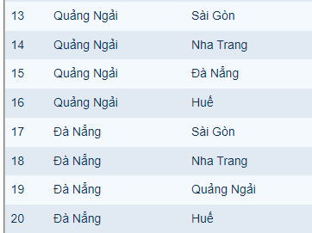

ID: 10(Bug list)
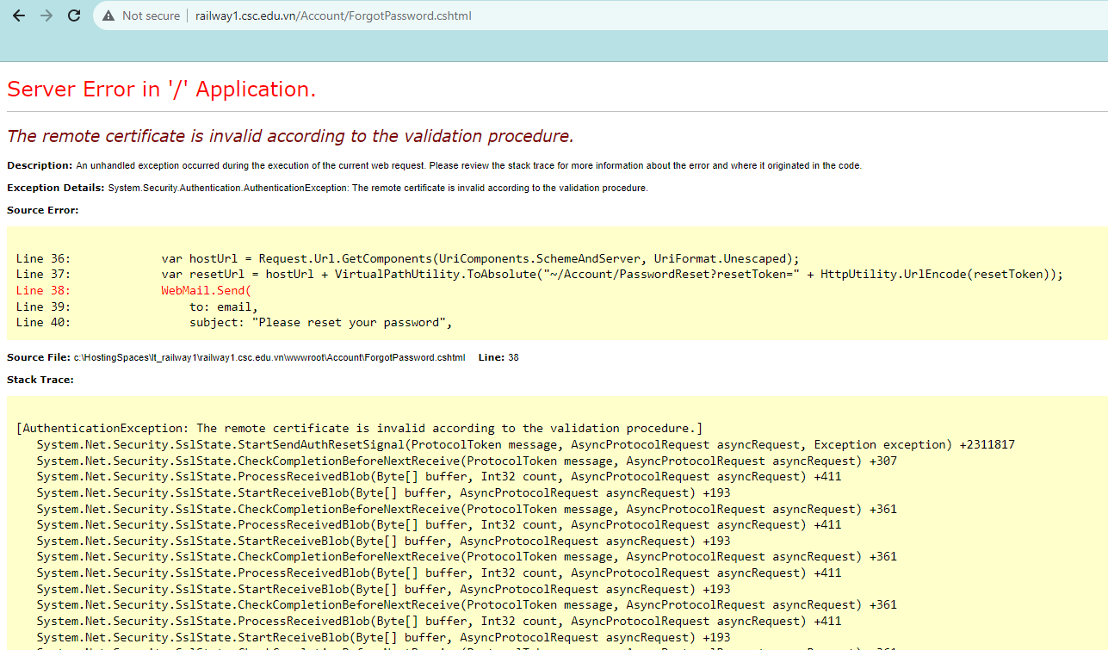

ID: 20(Bug list)

ID: 15 (Bug list)
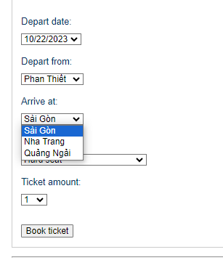


ID: 12 (Bug list)

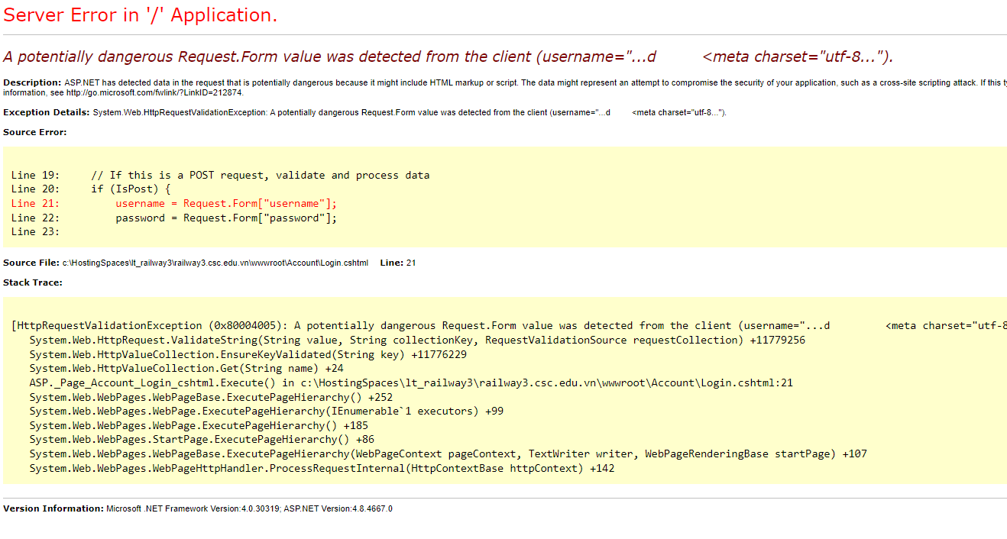
ID: 21 (Bug list)

ID:BT_08 (TC List)

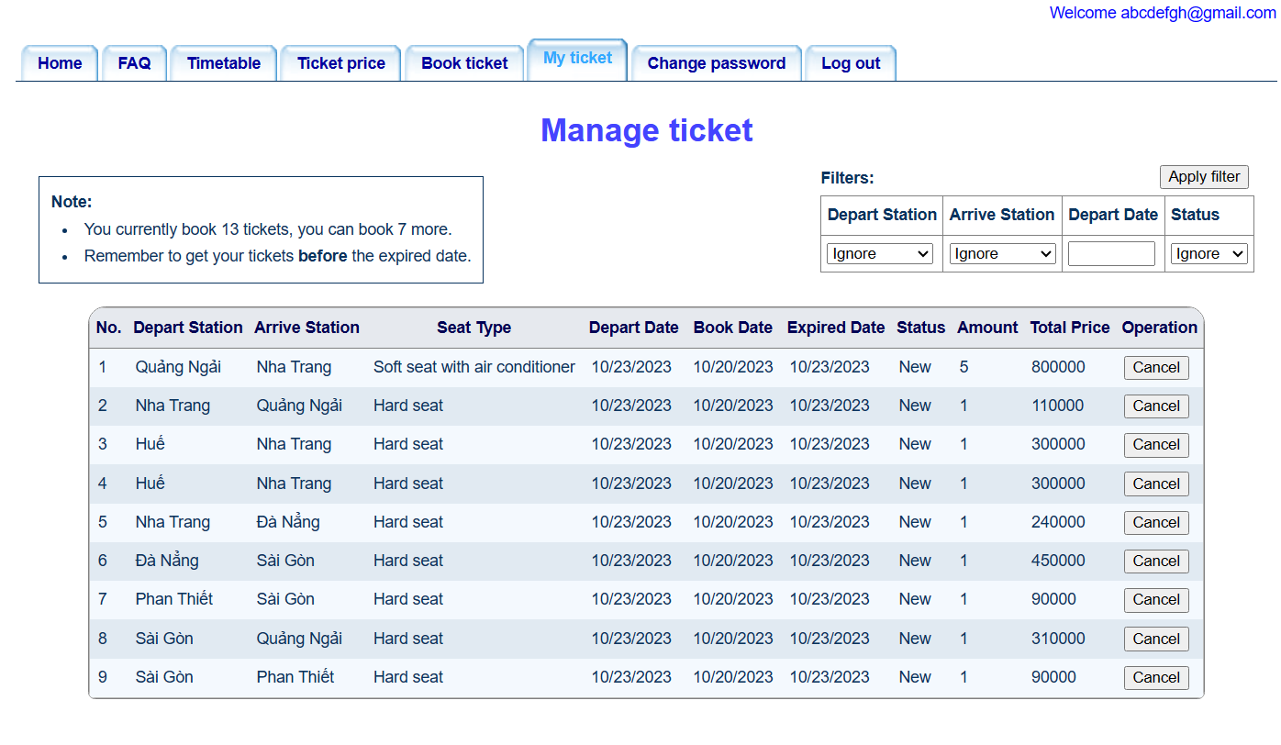

ID: 18 (bug list)

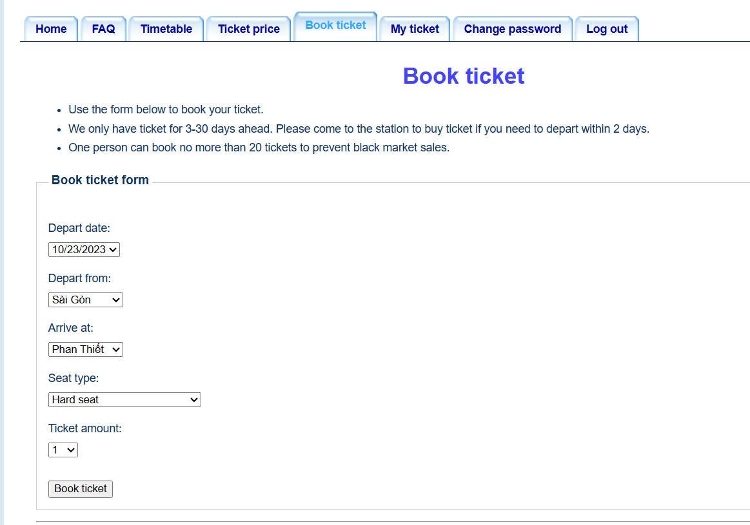

ID 22 (Bug list)

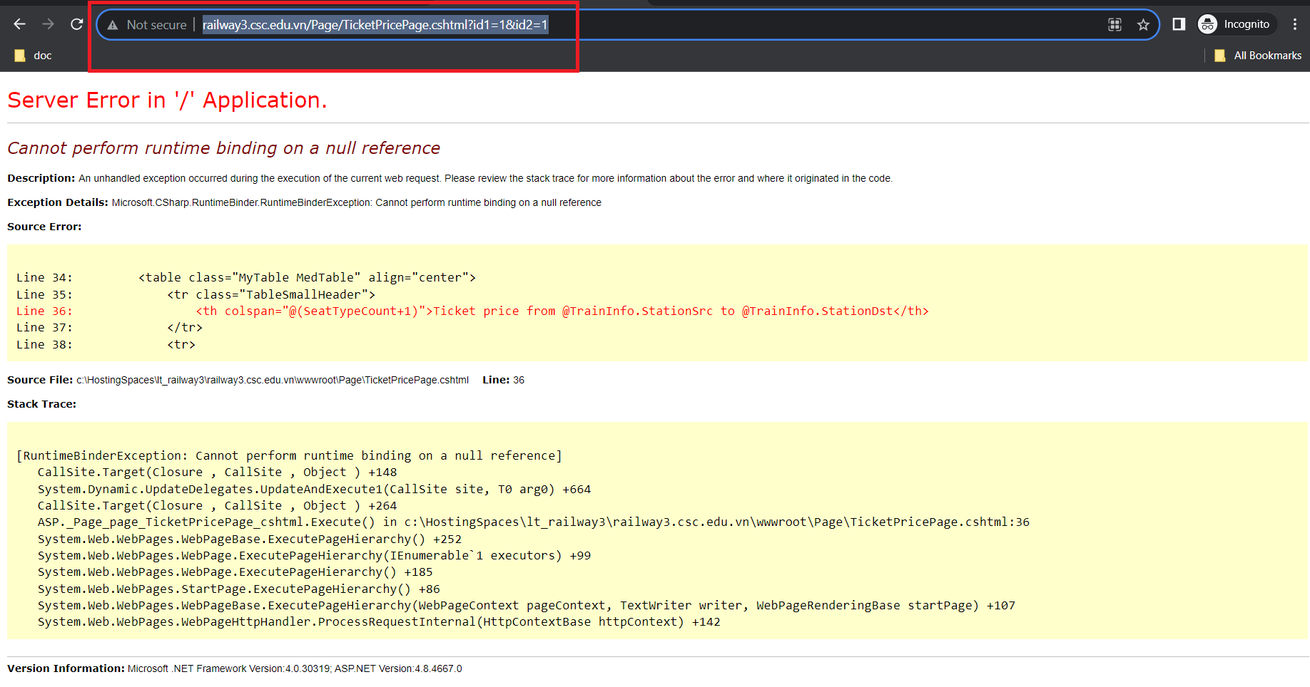

ID 23 : ( Bug list)
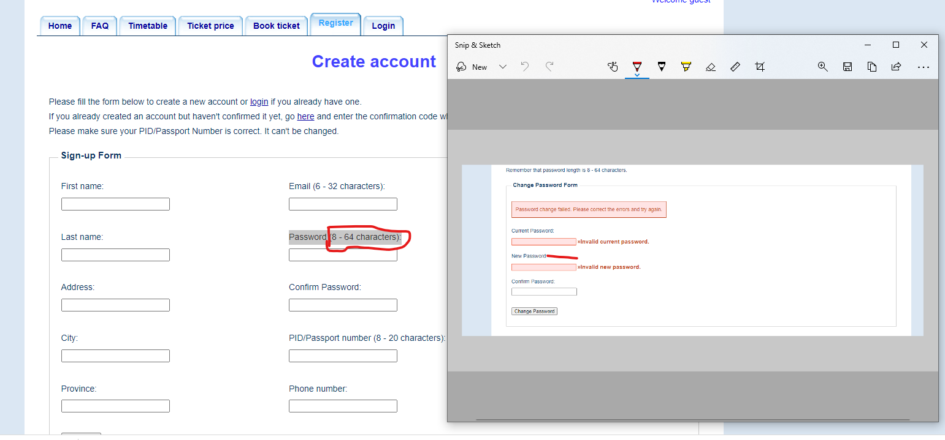

ID 24 : ( Bug list)

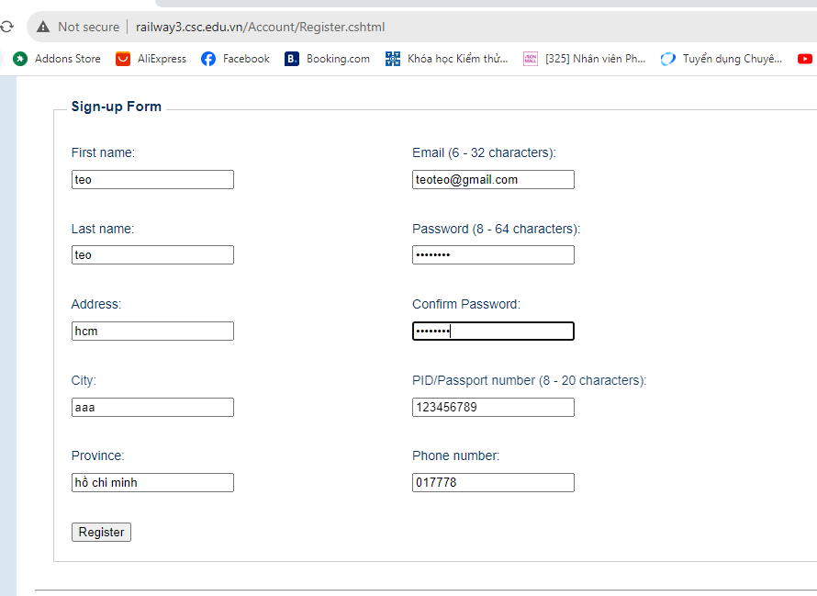

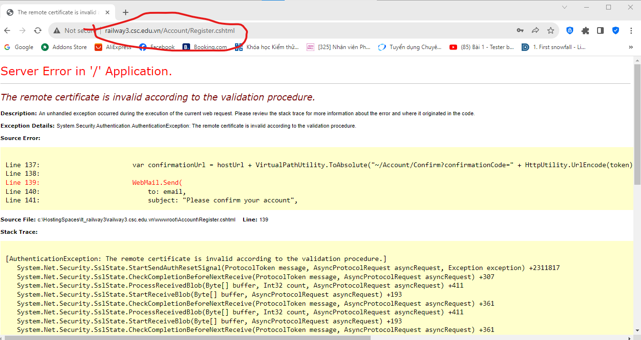

MT_05

